Control_Surfaces
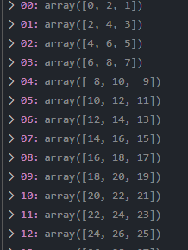
Control Surfaces NOTE: Do surfaces in this order ( Wings, Hstab, Vstab)
control_surface_type | control_surface_chord (%) | deflection_start (radians) | Start_X_Con (m) | Start_Y_Con (m) | Start_Z_Con (m) | deflection_end (radians) | End_X_Con (m) | End_Y_Con (m) | End_Z_Con (m) | Sym_Con | HSTAB
0 | 0.18 | 0 | 6.51 | 12.463 | 5.15 | -0.04363 | 6.51 | 24.824 | 5.6249 | yes
0 | 0.18 | -0.04363 | 6.51 | 24.824 | 5.6249 | -0.0175 | 6.51 | 36.174 | 6.061 | yes
0 | 0.16 | 0 | 20.937 | 0 | 5.06 | 0 | 20.937 | 7.19 | 5.06 | yes | yes

